Voltage Divider
Voltage Divider, no current out
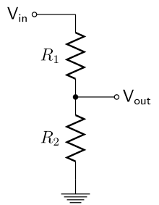
I
Vin | 5 | V | Supply Voltage
R1 | 1 | kW | Desired Output Voltage
R2 | 1 | kW | Desired Output Current
Vout | 2.5 | V
I | 2.5 | mA | V=IR --> I=V/(R1+R2)

P(R1): | 0.00625 | W | Power across resistor 1
P(R2): | 0.00625 | W | Power across resistor 2

10%Rule
Voltage Divider as a Power Supply (10% Rule)

I_{tot}
Vin | 5 | V | Supply Voltage
Vout | 3 | V | Desired Output Voltage
Load | 0.25 | W | Desired Load Power
I_{out}
Iout | 83.333333333 | mA | Required Output Current. I=P/V
V_{out}
Select R2 so that I2 is 10% of the desired load current.

I_{bleed}
LOAD
I2 = Ibleed = 0.1*Iout
Ibleed: | 8.3333333333 | mA
Rbleed: | 360 | Ohm | R=V/I

Total current (Itot) = Ibleed + Iout
Itot: | 91.666666667 | mA
R1: | 21.818181818 | Ohm | R1 = V1/I1 = V1/Itot

P(R1): | 0.18333333333 | W | Power across resistor 1
P(R2): | 0.025 | W | Power across resistor 2

